MISSION CARDS VMA
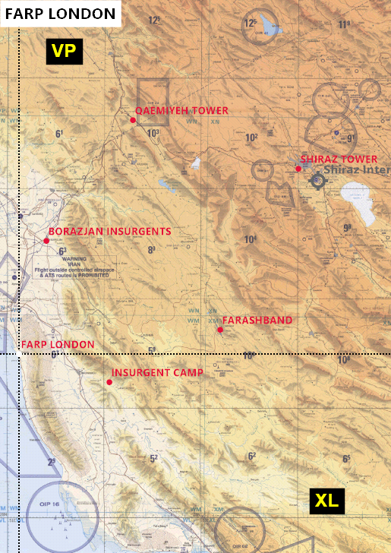
FUN MAP |  | MISSION DATA CARD |  | SHANK | FUN MAP | MISSION DATA CARD | SHANK
TARGETS |  |  |  |  | TARGET AREA
ALPHA
Primary | SHIRAZ |  | CITY WITH AIRFIELD
DMPI
Coord | 29°35'22"N 52°30'08"E
North-East of FARP London, 93NM. LL @ lake, SE from city centre.

BRAVO
Primary | FARASHBAND |  | Tanks and light armour
DMPI
Coord | 28°51'29"N 52°05'45"E
East of FARP London, 55NM.

CHARLIE
Primary | BORAZJAN INSURGENTS |  | Insurgent T55 platoon
DMPI
Coord | 29°15'56"N 51°11'37"E
Tanks and manpads. North East of FARP London. GR WN13, nr town of Borazjan

DELTA
Primary | INSURGENT CAMP |  | Light armour, helicopters, various soft
DMPI
Coord | 28°37'15"N 51°31'08"E
South-East of FARP London. Large fenced camp with helipads

ECHO
Primary | QAEMIYEH TOWER |  | Communications tower.
DMPI
Coord | 29°48'41"N 51°38'33"E
North-North-East of FARP London, 70NM. South East of town of Qaemiyeh.

FOXTROT
Primary
DMPI
Coord |  |  |  |  | Al Dhafra Ramp Coordinates |  | NOTES
FARP LONDON 28°45'00" N 051°02'00" E |  |  |  |  | 50 - 24°14'09"N 54°32'11"E 51 - 24°14'08"N 54°32'12"E 52 - 24°14'08"N 54°32'13"E 53 - 24°14'07"N 54°32'14"E 54 - 24°14'07"N 54°32'14"E | 55 - 24°14'06"N 54°32'15"E 56 - 24°14'07"N 54°32'10"E 57 - 24°14'07"N 54°32'11"E 58 - 24°14'06"N 54°32'11"E 59 - 24°14'06"N 54°32'12"E

OBJECTS
HOLD RIGHT TURNS | WAYPOINT | SECTION 1 | Z - DIVE

HOLD LEFT TURNS | IP | SECTION 2 | Z - POP

ROUTE LINE | TARGET | SECTION 3

 | TEXT BOX | SECTION 4

TEXT

